Sheet1
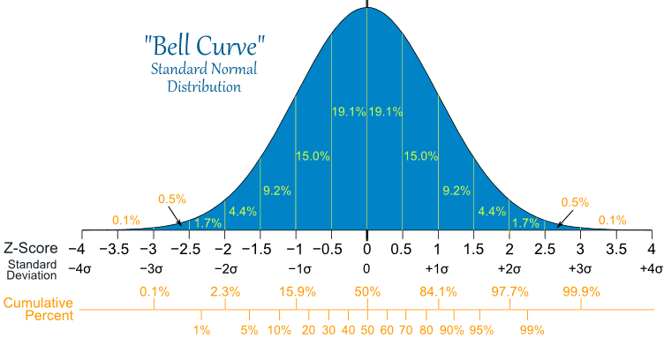

 |  | 21
mean= | 24.91 | 19
SD | 6.07 | 26
SEM | 1.83 | 18
 |  | 33
 |  | 35
 |  | 20
 |  | 29
 |  | 24
 |  | 30
 |  | 19

